易仓LA0004
客户代码 | 产品代码 | 自定义编码 | 产品名称 | 产品图片 | Details | QTY
C018 | C018-N1006BLZS001 | 10062977 | 28" Brown | 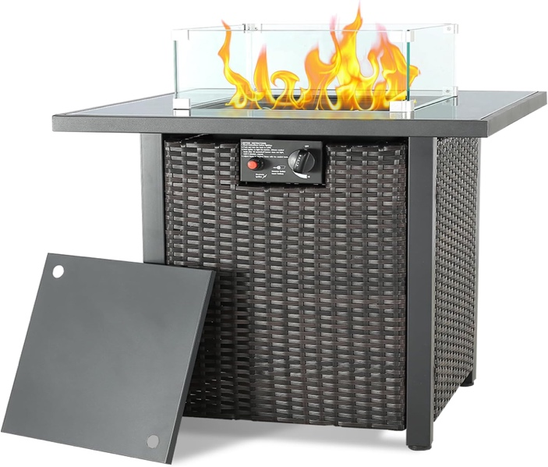 | Specifications: 700*700*630; Tabletop 30*15*0.8, Table legs 35*35*0.8, Other 18*18*0.7, 15*15*0.7 Iron pipes, 670*670*5MM embedded black tempered glass tabletop. 9.5*1.1 Brown color-changing four-line rattan. 360*360, 50000 Pa stove system 5KG blue + 0.5KG colorful glass beads, 5MM transparent tempered glass fireproof cover. | 249
C018 | C018-N1004BRM001 | 10061158 | 43" brown | 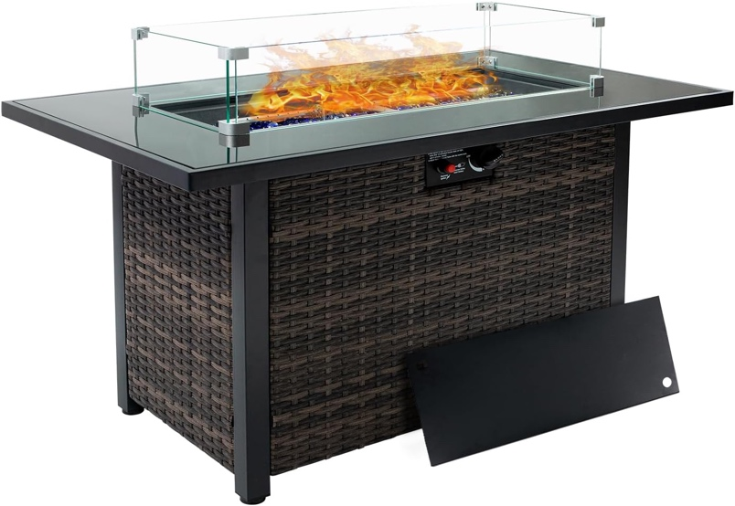 | Specifications: 1100*670*630; Tabletop 30*15*0.8, Table legs 35*35*0.8, Other 18*18*0.7, 15*15*0.7 Iron pipes, 1070*640*5MM embedded black tempered glass tabletop. 9.5*1.1 Brown color-changing four-line rattan. 730*280, 50000 Pa stove system 5KG blue + 0.5KG colorful glass beads, 5MM transparent tempered glass fireproof cover. | 202
C018 | C018-N1006BLHS001 | 10062976 | 43" Black |  |  | 375
C018 | C018-N1004BRM002 | 10061160 | 39.7" Black | 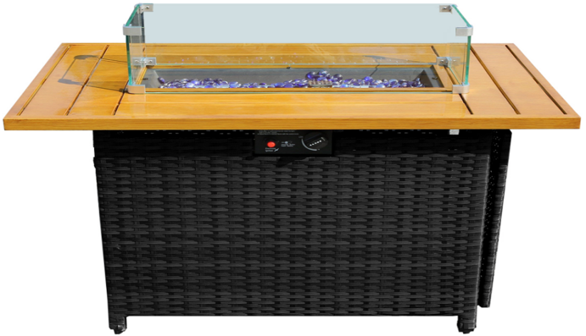 | Specifications: 1010*630*61; Tabletop 30*15*0.8, Table legs 35*20*0.8, Other 18*18*0.7, 15*15*0.7 Iron pipe, 670*670*5MM iron plate painted stove tabletop. 9.5*1.1 Brown color changing four-line rattan Dark coffee rattan. 360*360, 50000 Pa stove system 5KG blue + 0.5KG colorful glass beads, 5MM transparent tempered glass fireproof cover. | 198
C018 | C018-N1005BLHS001 | 10062974 | 39.7" black |  |  | 281
 |  |  |  |  |  | 1305

